Feuil1
Source of data: V. L. Alley Jr, R. J. Guillotte, L. D. Hunter, - NASA TN D-2930 A Method of Determining Modal Data of a Nonuniform beam with Effects of Shear Deformation
x | X | Z | m | Mass/unit length | EI | Flexural Stiffness EI | kAG | Shear Rigidity kAG | rg | Δx | Z | m | EI | kAG | rg
in | meter | lb-sec2 | lb-sec2/in2 | kg/meter | lb-in2 | N-meter2 | lb | N | meter | meter | lb-sec2 | lb-sec2/in2 | lb-in2 | lb | meter
-34.35 | 0 | 1.7 | 0.01743 | 120.17985 | 1.00E+08 | 2.87E+05 | 1.00E+07 | 4.45E+07 | 2.51E-01
-19.35 | 0.381 | 1.7 | 0.01743 | 120.17985 | 1.00E+08 | 2.87E+05 | 1.00E+07 | 4.45E+07 | 2.51E-01 | 3.81E-01 | 1.70E+00 | 1.74E-02 | 1.00E+08 | 1.00E+07 | 2.51E-01 | 1
-19.35 | 0.381 | 14.7 | 0.0603 | 415.7685 | 1.48E+10 | 4.24E+07 | 3.35E+07 | 1.49E+08 | 3.97E-01
0 | 0.87249 | 14.7 | 0.0603 | 415.7685 | 1.48E+10 | 4.24E+07 | 3.35E+07 | 1.49E+08 | 3.97E-01 | 4.91E-01 | 1.47E+01 | 6.03E-02 | 1.48E+10 | 3.35E+07 | 3.97E-01 | 2
17.85 | 1.32588 | 14.7 | 0.0603 | 415.7685 | 6.74E+09 | 1.94E+07 | 3.35E+07 | 1.49E+08 | 3.97E-01 | 4.53E-01 | 1.47E+01 | 6.03E-02 | 1.08E+10 | 3.35E+07 | 3.97E-01 | 3
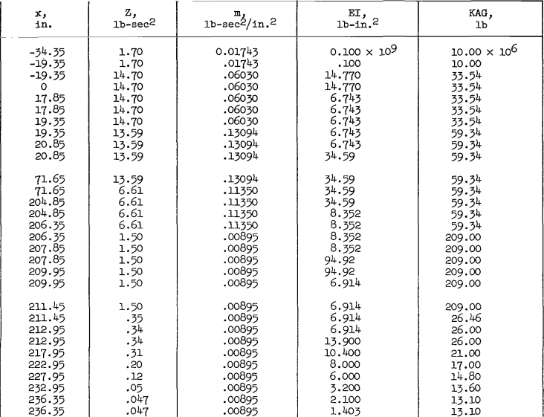
17.85 | 1.32588 | 14.7 | 0.0603 | 415.7685 | 6.74E+09 | 1.94E+07 | 3.35E+07 | 1.49E+08 | 3.97E-01
19.35 | 1.36398 | 14.7 | 0.0603 | 415.7685 | 6.74E+09 | 1.94E+07 | 3.35E+07 | 1.49E+08 | 3.97E-01 | 3.81E-02 | 1.47E+01 | 6.03E-02 | 6.74E+09 | 3.35E+07 | 3.97E-01 | 4
19.35 | 1.36398 | 13.59 | 0.13094 | 902.8313 | 6.74E+09 | 1.94E+07 | 5.93E+07 | 2.64E+08 | 2.59E-01
20.85 | 1.40208 | 13.59 | 0.13094 | 902.8313 | 6.74E+09 | 1.94E+07 | 5.93E+07 | 2.64E+08 | 2.59E-01 | 3.81E-02 | 1.36E+01 | 1.31E-01 | 6.74E+09 | 5.93E+07 | 2.59E-01 | 5
20.85 | 1.40208 | 13.59 | 0.13094 | 902.8313 | 3.46E+10 | 9.93E+07 | 5.93E+07 | 2.64E+08 | 2.59E-01
71.65 | 2.6924 | 13.59 | 0.13094 | 902.8313 | 3.46E+10 | 9.93E+07 | 5.93E+07 | 2.64E+08 | 2.59E-01 | 1.29E+00 | 1.36E+01 | 1.31E-01 | 3.46E+10 | 5.93E+07 | 2.59E-01 | 6
71.65 | 2.6924 | 6.61 | 0.1135 | 782.5825 | 3.46E+10 | 9.93E+07 | 5.93E+07 | 2.64E+08 | 1.94E-01
204.85 | 6.07568 | 6.61 | 0.1135 | 782.5825 | 3.46E+10 | 9.93E+07 | 5.93E+07 | 2.64E+08 | 1.94E-01 | 3.38E+00 | 6.61E+00 | 1.14E-01 | 3.46E+10 | 5.93E+07 | 1.94E-01 | 7
204.85 | 6.07568 | 6.61 | 0.1135 | 782.5825 | 8.35E+09 | 2.40E+07 | 5.93E+07 | 2.64E+08 | 1.94E-01
206.35 | 6.11378 | 6.61 | 0.1135 | 782.5825 | 8.35E+09 | 2.40E+07 | 5.93E+07 | 2.64E+08 | 1.94E-01 | 3.81E-02 | 6.61E+00 | 1.14E-01 | 8.35E+09 | 5.93E+07 | 1.94E-01 | 8
206.35 | 6.11378 | 1.5 | 0.00895 | 61.71025 | 8.35E+09 | 2.40E+07 | 2.09E+08 | 9.30E+08 | 3.29E-01
207.85 | 6.15188 | 1.5 | 0.00895 | 61.71025 | 8.35E+09 | 2.40E+07 | 2.09E+08 | 9.30E+08 | 3.29E-01 | 3.81E-02 | 1.50E+00 | 8.95E-03 | 8.35E+09 | 2.09E+08 | 3.29E-01 | 9
207.85 | 6.15188 | 1.5 | 0.00895 | 61.71025 | 9.49E+10 | 2.72E+08 | 2.09E+08 | 9.30E+08 | 3.29E-01
209.95 | 6.20522 | 1.5 | 0.00895 | 61.71025 | 9.49E+10 | 2.72E+08 | 2.09E+08 | 9.30E+08 | 3.29E-01 | 5.33E-02 | 1.50E+00 | 8.95E-03 | 9.49E+10 | 2.09E+08 | 3.29E-01 | 10
209.95 | 6.20522 | 1.5 | 0.00895 | 61.71025 | 6.91E+09 | 1.98E+07 | 2.09E+08 | 9.30E+08 | 3.29E-01
211.45 | 6.24332 | 1.5 | 0.00895 | 61.71025 | 6.91E+09 | 1.98E+07 | 2.09E+08 | 9.30E+08 | 3.29E-01 | 3.81E-02 | 1.50E+00 | 8.95E-03 | 6.91E+09 | 2.09E+08 | 3.29E-01 | 11
211.45 | 6.24332 | 0.35 | 0.00895 | 61.71025 | 6.91E+09 | 1.98E+07 | 2.65E+07 | 1.18E+08 | 1.59E-01
212.95 | 6.28142 | 0.34 | 0.00895 | 61.71025 | 6.91E+09 | 1.98E+07 | 2.60E+07 | 1.16E+08 | 1.57E-01 | 3.81E-02 | 3.45E-01 | 8.95E-03 | 6.91E+09 | 2.62E+07 | 1.57E-01 | 12
212.95 | 6.28142 | 0.34 | 0.00895 | 61.71025 | 1.39E+10 | 3.99E+07 | 2.60E+07 | 1.16E+08 | 1.57E-01 |  |  |  |  |  |  |  | end of 1st Stage
217.95 | 6.40842 | 0.31 | 0.00895 | 61.71025 | 1.04E+10 | 2.98E+07 | 2.10E+07 | 9.34E+07 | 1.49E-01 | 1.27E-01 | 3.25E-01 | 8.95E-03 | 1.22E+10 | 2.35E+07 | 1.53E-01 | 13
222.95 | 6.53542 | 0.2 | 0.00895 | 61.71025 | 8.00E+09 | 2.30E+07 | 1.70E+07 | 7.56E+07 | 1.20E-01 | 1.27E-01 | 2.55E-01 | 8.95E-03 | 9.20E+09 | 1.90E+07 | 1.35E-01 | 14
227.95 | 6.66242 | 0.12 | 0.00895 | 61.71025 | 6.00E+09 | 1.72E+07 | 1.48E+07 | 6.58E+07 | 9.30E-02 | 1.27E-01 | 1.60E-01 | 8.95E-03 | 7.00E+09 | 1.59E+07 | 1.07E-01 | 15
232.95 | 6.78942 | 0.05 | 0.00895 | 61.71025 | 3.20E+09 | 9.18E+06 | 1.36E+07 | 6.05E+07 | 6.00E-02 | 1.27E-01 | 8.50E-02 | 8.95E-03 | 3.20E+09 | 1.36E+07 | 6.00E-02 | 16
236.35 | 6.87578 | 0.047 | 0.00895 | 61.71025 | 2.10E+09 | 6.03E+06 | 1.31E+07 | 5.83E+07 | 5.82E-02
236.35 | 6.87578 | 0.047 | 0.00895 | 61.71025 | 1.40E+09 | 4.03E+06 | 1.31E+07 | 5.83E+07 | 5.82E-02 | 8.64E-02 | 4.70E-02 | 8.95E-03 | 1.75E+09 | 1.31E+07 | 5.82E-02 | 17
257.85 | 7.42188 | 1.2 | 0.0147 | 101.3565 | 3.36E+09 | 9.65E+06 | 6.18E+07 | 2.75E+08 | 2.29E-01 | 5.46E-01 | 6.23E-01 | 1.18E-02 | 3.36E+09 | 6.18E+07 | 2.29E-01 | 18
257.85 | 7.42188 | 1.2 | 0.03673 | 253.25335 | 3.36E+09 | 9.65E+06 | 6.18E+07 | 2.75E+08 | 1.45E-01
258.75 | 7.44474 | 1.2 | 0.03673 | 253.25335 | 3.36E+09 | 9.65E+06 | 6.18E+07 | 2.75E+08 | 1.45E-01 | 2.29E-02 | 1.20E+00 | 3.67E-02 | 3.36E+09 | 1.45E-01 | 1.45E-01 | 19
258.75 | 7.44474 | 1.2 | 0.03673 | 253.25335 | 4.91E+09 | 1.41E+07 | 3.37E+07 | 1.50E+08 | 1.45E-01
262.85 | 7.54888 | 1.2 | 0.03673 | 253.25335 | 4.91E+09 | 1.41E+07 | 3.37E+07 | 1.50E+08 | 1.45E-01 | 1.04E-01 | 1.20E+00 | 3.67E-02 | 4.91E+09 | 3.37E+07 | 1.45E-01 | 20
262.85 | 7.54888 | 0.385 | 0.026668 | 183.87586 | 4.91E+09 | 1.41E+07 | 3.37E+07 | 1.50E+08 | 9.65E-02
424.85 | 11.66368 | 0.385 | 0.026668 | 183.87586 | 4.91E+09 | 1.41E+07 | 3.37E+07 | 1.50E+08 | 9.65E-02 | 4.11E+00 | 3.85E-01 | 2.67E-02 | 4.91E+09 | 3.37E+07 | 9.65E-02 | 21
424.85 | 11.66368 | 0.385 | 0.026668 | 183.87586 | 1.66E+09 | 4.78E+06 | 3.37E+07 | 1.50E+08 | 9.65E-02
426.35 | 11.70178 | 0.385 | 0.026668 | 183.87586 | 1.66E+09 | 4.78E+06 | 3.37E+07 | 1.50E+08 | 9.65E-02 | 3.81E-02 | 3.85E-01 | 2.67E-02 | 1.66E+09 | 3.37E+07 | 9.65E-02 | 22
426.35 | 11.70178 | 1.09 | 0.011718 | 80.79561 | 1.66E+09 | 4.78E+06 | 2.49E+07 | 1.11E+08 | 2.45E-01 |  |  |  |  |  |  |  | end of 2nd Stage
427.85 | 11.73988 | 1.09 | 0.011718 | 80.79561 | 1.66E+09 | 4.78E+06 | 2.49E+07 | 1.11E+08 | 2.45E-01 | 3.81E-02 | 1.09E+00 | 1.17E-02 | 1.66E+09 | 2.49E+07 | 2.45E-01 | 23
427.85 | 11.73988 | 1.09 | 0.011718 | 80.79561 | 3.02E+09 | 8.68E+06 | 2.49E+07 | 1.11E+08 | 2.45E-01
444.85 | 12.17168 | 1.09 | 0.011718 | 80.79561 | 3.02E+09 | 8.68E+06 | 2.49E+07 | 1.11E+08 | 2.45E-01 | 4.32E-01 | 1.09E+00 | 1.17E-02 | 3.02E+09 | 2.49E+07 | 2.45E-01 | 24
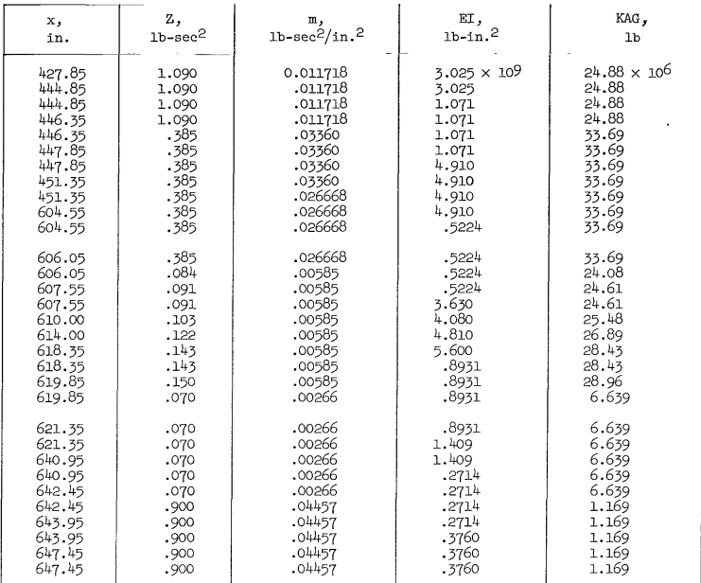
444.85 | 12.17168 | 1.09 | 0.011718 | 80.79561 | 1.07E+09 | 3.07E+06 | 2.49E+07 | 1.11E+08 | 2.45E-01
446.35 | 12.20978 | 0.385 | 0.0336 | 231.672 | 1.07E+09 | 3.07E+06 | 2.49E+07 | 1.11E+08 | 8.60E-02 | 3.81E-02 | 3.85E-01 | 3.36E-02 | 1.07E+09 | 2.49E+07 | 8.60E-02 | 25
446.35 | 12.20978 | 0.385 | 0.0336 | 231.672 | 1.07E+09 | 3.07E+06 | 3.37E+07 | 1.50E+08 | 8.60E-02
447.85 | 12.24788 | 0.385 | 0.0336 | 231.672 | 1.07E+09 | 3.07E+06 | 3.37E+07 | 1.50E+08 | 8.60E-02 | 3.81E-02 | 3.85E-01 | 3.36E-02 | 1.07E+09 | 3.37E+07 | 8.60E-02 | 26
447.85 | 12.24788 | 0.385 | 0.0336 | 231.672 | 4.91E+09 | 1.41E+07 | 3.37E+07 | 1.50E+08 | 8.60E-02
451.35 | 12.33678 | 0.385 | 0.0336 | 231.672 | 4.91E+09 | 1.41E+07 | 3.37E+07 | 1.50E+08 | 8.60E-02 | 8.89E-02 | 3.85E-01 | 3.36E-02 | 4.91E+09 | 3.37E+07 | 8.60E-02 | 27
451.35 | 12.33678 | 0.385 | 0.026668 | 183.87586 | 4.91E+09 | 1.41E+07 | 3.37E+07 | 1.50E+08 | 9.65E-02
604.55 | 16.22806 | 0.385 | 0.026668 | 183.87586 | 4.91E+09 | 1.41E+07 | 3.37E+07 | 1.50E+08 | 9.65E-02 | 3.89E+00 | 3.85E-01 | 2.67E-02 | 4.91E+09 | 3.37E+07 | 9.65E-02 | 28
604.55 | 16.22806 | 0.385 | 0.026668 | 183.87586 | 5.22E+08 | 1.50E+06 | 3.37E+07 | 1.50E+08 | 9.65E-02
606.05 | 16.26616 | 0.385 | 0.026668 | 183.87586 | 5.22E+08 | 1.50E+06 | 3.37E+07 | 1.50E+08 | 9.65E-02 | 3.81E-02 | 3.85E-01 | 2.67E-02 | 5.22E+08 | 3.37E+07 | 9.65E-02 | 29
606.05 | 16.26616 | 0.084 | 0.00585 | 40.33575 | 5.22E+08 | 1.50E+06 | 2.41E+07 | 1.07E+08 | 9.62E-02
607.55 | 16.30426 | 0.091 | 0.00585 | 40.33575 | 5.22E+08 | 1.50E+06 | 2.46E+07 | 1.09E+08 | 1.00E-01 | 3.81E-02 | 9.10E-02 | 5.85E-03 | 5.22E+08 | 2.46E+07 | 1.00E-01 | 30
607.55 | 16.30426 | 0.091 | 0.00585 | 40.33575 | 3.63E+08 | 1.04E+06 | 2.46E+07 | 1.09E+08 | 1.00E-01
610 | 16.36649 | 0.103 | 0.00585 | 40.33575 | 4.08E+09 | 1.17E+07 | 2.55E+07 | 1.13E+08 | 1.07E-01 | 6.22E-02 | 9.70E-02 | 5.85E-03 | 2.22E+09 | 2.50E+07 | 1.03E-01 | 31
614 | 16.46809 | 0.122 | 0.00585 | 40.33575 | 4.81E+09 | 1.38E+07 | 2.69E+07 | 1.20E+08 | 1.16E-01
618.35 | 16.57858 | 0.143 | 0.00585 | 40.33575 | 5.60E+09 | 1.61E+07 | 2.84E+07 | 1.26E+08 | 1.26E-01 | 2.12E-01 | 1.23E-01 | 5.85E-03 | 4.83E+09 | 4.04E+07 | 1.16E-01 | 32
618.35 | 16.57858 | 0.143 | 0.00585 | 40.33575 | 8.93E+08 | 2.56E+06 | 2.84E+07 | 1.26E+08 | 1.26E-01
619.85 | 16.61668 | 0.15 | 0.00585 | 40.33575 | 8.93E+08 | 2.56E+06 | 2.90E+07 | 1.29E+08 | 1.29E-01 | 3.81E-02 | 1.46E-01 | 5.85E-03 | 8.93E+08 | 2.87E+07 | 1.27E-01 | 33 | Ending Third Stage
619.85 | 16.61668 | 0.07 | 0.00266 | 18.3407 | 8.93E+08 | 2.56E+06 | 6.64E+06 | 2.95E+07 | 1.30E-01 |  |  |  |  |  |  |  | Beginning Fourth Stage
621.35 | 16.65478 | 0.07 | 0.00266 | 18.3407 | 8.93E+08 | 2.56E+06 | 6.64E+06 | 2.95E+07 | 1.30E-01 | 3.81E-02 | 7.00E-02 | 2.66E-03 | 8.93E+08 | 6.64E+06 | 1.30E-01 | 34
621.35 | 16.65478 | 0.07 | 0.00266 | 18.3407 | 1.41E+09 | 4.04E+06 | 6.64E+06 | 2.95E+07 | 1.30E-01
640.95 | 17.15262 | 0.07 | 0.00266 | 18.3407 | 1.41E+09 | 4.04E+06 | 6.64E+06 | 2.95E+07 | 1.30E-01 | 4.98E-01 | 7.00E-02 | 2.66E-03 | 1.41E+09 | 6.64E+06 | 1.30E-01 | 35
640.95 | 17.15262 | 0.07 | 0.00266 | 18.3407 | 2.71E+08 | 7.79E+05 | 6.64E+06 | 2.95E+07 | 1.30E-01
642.45 | 17.19072 | 0.07 | 0.00266 | 18.3407 | 2.71E+08 | 7.79E+05 | 6.64E+06 | 2.95E+07 | 1.30E-01 | 3.81E-02 | 7.00E-02 | 2.66E-03 | 2.71E+08 | 6.64E+06 | 1.30E-01 | 36
643.45 | 17.21612 | 0.9 | 0.04457 | 307.31015 | 2.71E+08 | 7.79E+05 | 1.17E+06 | 5.20E+06 | 1.14E-01
643.95 | 17.22882 | 0.9 | 0.04457 | 307.31015 | 2.71E+08 | 7.79E+05 | 1.17E+06 | 5.20E+06 | 1.14E-01 | 1.27E-02 | 9.00E-01 | 4.46E-02 | 2.71E+08 | 1.17E+06 | 1.14E-01 | 37
643.95 | 17.22882 | 0.9 | 0.04457 | 307.31015 | 3.76E+08 | 1.08E+06 | 1.17E+06 | 5.20E+06 | 1.14E-01
647.45 | 17.31772 | 0.9 | 0.04457 | 307.31015 | 3.76E+08 | 1.08E+06 | 1.17E+06 | 5.20E+06 | 1.14E-01
647.45 | 17.31772 | 0.9 | 0.04457 | 307.31015 | 3.76E+08 | 1.08E+06 | 1.17E+06 | 5.20E+06 | 1.14E-01
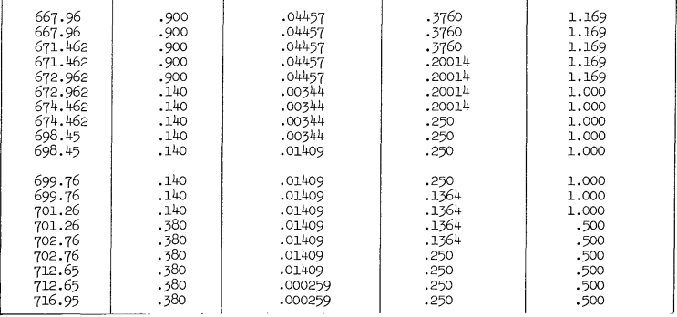
667.96 | 17.838674 | 0.9 | 0.04457 | 307.31015 | 3.76E+08 | 1.08E+06 | 1.17E+06 | 5.20E+06 | 1.14E-01
667.96 | 17.838674 | 0.9 | 0.04457 | 307.31015 | 3.76E+08 | 1.08E+06 | 1.17E+06 | 5.20E+06 | 1.14E-01
671.462 | 17.9276248 | 0.9 | 0.04457 | 307.31015 | 3.76E+08 | 1.08E+06 | 1.17E+06 | 5.20E+06 | 1.14E-01 | 6.99E-01 | 9.00E-01 | 4.46E-02 | 3.76E+08 | 1.17E+06 | 1.14E-01 | 38
671.462 | 17.9276248 | 0.9 | 0.04457 | 307.31015 | 2.00E+08 | 5.74E+05 | 1.17E+06 | 5.20E+06 | 1.14E-01
672.962 | 17.9657248 | 0.9 | 0.04457 | 307.31015 | 2.00E+08 | 5.74E+05 | 1.17E+06 | 5.20E+06 | 1.14E-01 | 3.81E-02 | 9.00E-01 | 4.46E-02 | 2.00E+08 | 1.17E+06 | 1.14E-01 | 39
672.962 | 17.9657248 | 0.14 | 0.00344 | 23.7188 | 2.00E+08 | 5.74E+05 | 1.00E+06 | 4.45E+06 | 1.62E-01
674.462 | 18.0038248 | 0.14 | 0.00344 | 23.7188 | 2.00E+08 | 5.74E+05 | 1.00E+06 | 4.45E+06 | 1.62E-01 | 3.81E-02 | 1.40E-01 | 3.44E-03 | 2.00E+08 | 1.00E+06 | 1.62E-01 | 40
674.462 | 18.0038248 | 0.14 | 0.00344 | 23.7188 | 2.50E+08 | 7.18E+05 | 1.00E+06 | 4.45E+06 | 1.62E-01
698.45 | 18.61312 | 0.14 | 0.00344 | 23.7188 | 2.50E+08 | 7.18E+05 | 1.00E+06 | 4.45E+06 | 1.62E-01 | 6.09E-01 | 1.40E-01 | 3.44E-03 | 2.50E+08 | 1.00E+06 | 1.62E-01 | 41
698.45 | 18.61312 | 0.14 | 0.0149 | 102.7355 | 2.50E+08 | 7.18E+05 | 1.00E+06 | 4.45E+06 | 7.79E-02
699.76 | 18.646394 | 0.14 | 0.0149 | 102.7355 | 2.50E+08 | 7.18E+05 | 1.00E+06 | 4.45E+06 | 7.79E-02 | 3.33E-02 | 1.40E-01 | 1.49E-02 | 2.50E+08 | 1.00E+06 | 7.79E-02 | 42
699.76 | 18.646394 | 0.14 | 0.0149 | 102.7355 | 1.36E+08 | 3.91E+05 | 1.00E+06 | 4.45E+06 | 7.79E-02
701.26 | 18.684494 | 0.14 | 0.0149 | 102.7355 | 1.36E+08 | 3.91E+05 | 1.00E+06 | 4.45E+06 | 7.79E-02 | 3.81E-02 | 1.40E-01 | 1.49E-02 | 1.36E+08 | 1.00E+06 | 7.79E-02 | 43
701.26 | 18.684494 | 0.38 | 0.0149 | 102.7355 | 1.36E+08 | 3.91E+05 | 5.00E+05 | 2.22E+06 | 1.28E-01
702.76 | 18.722594 | 0.38 | 0.0149 | 102.7355 | 1.36E+08 | 3.91E+05 | 5.00E+05 | 2.22E+06 | 1.28E-01 | 3.81E-02 | 3.80E-01 | 1.49E-02 | 1.36E+08 | 5.00E+05 | 1.28E-01 | 44
702.76 | 18.722594 | 0.38 | 0.0149 | 102.7355 | 2.50E+08 | 7.18E+05 | 5.00E+05 | 2.22E+06 | 1.28E-01
712.65 | 18.9738 | 0.38 | 0.0149 | 102.7355 | 2.50E+08 | 7.18E+05 | 5.00E+05 | 2.22E+06 | 1.28E-01 | 2.51E-01 | 3.80E-01 | 1.49E-02 | 2.50E+08 | 5.00E+05 | 1.28E-01 | 45
712.65 | 18.9738 | 0.38 | 0.000259 | 1.785805 | 2.50E+08 | 7.18E+05 | 5.00E+05 | 2.22E+06 | 9.73E-01
716.95 | 19.08302 | 0.38 | 0.000259 | 1.785805 | 2.50E+08 | 7.18E+05 | 5.00E+05 | 2.22E+06 | 9.73E-01 | 1.09E-01 | 3.80E-01 | 2.59E-04 | 2.50E+08 | 5.00E+05 | 9.73E-01 | 46
 | 19.08302 |  |  |  |  |  |  |  |  | 1.91E+01 |  |  |  |  |  |  | 2.46634

 |  |  |  |  |  |  |  |  |  |  |  |  |  |  |  |  |  | 2.44E+00

 |  |  |  |  |  |  |  |  |  | +

Sheet1
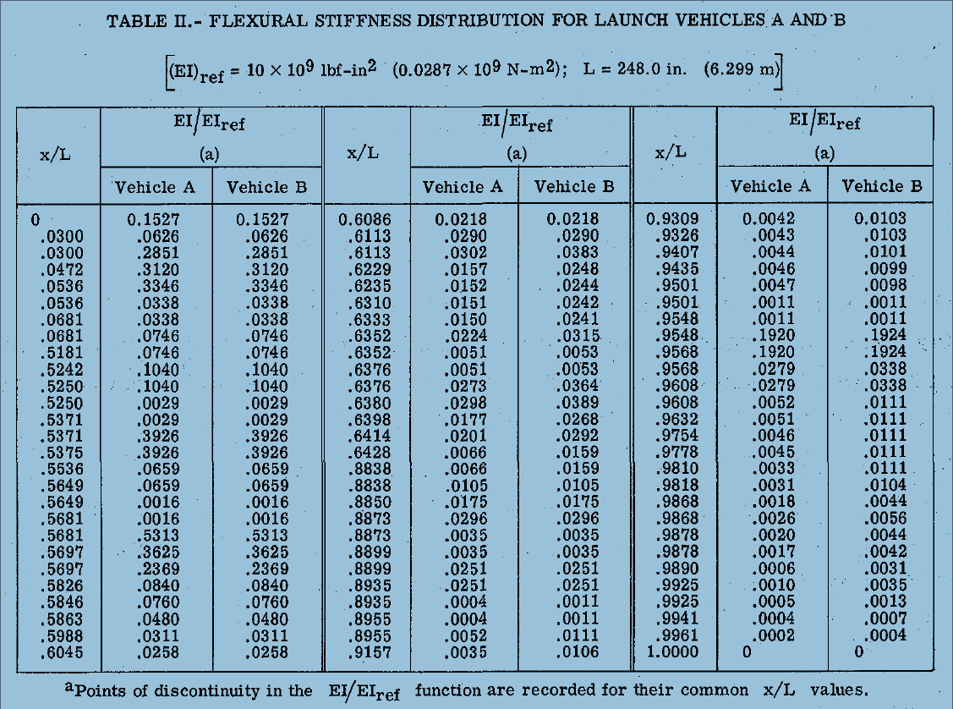
x/L | EI/Eiref Vehicle A | EI/Eiref Vehicle B | x/L | m/mref Vehicle A | m/mref Vehicle B | x/L | ku/kuref Vehicle A | ku/kuref Vehicle B
0 | 0.157 | 0.157 | 0 | 0.0041 | 0.0041 | 0.0609 | 0.08 | 0.08
0.03 | 0.0626 | 0.0626 | 0.0395 | 0.0041 | 0.0041 | 0.5307 | 1 | 1
0.03 | 0.2851 | 0.2851 | 0.0395 | 0.0109 | 0.0109 | 0.5662 | 0.3 | 0.3
0.0472 | 0.312 | 0.312 | 0.0605 | 0.0109 | 0.0109 | 0.6361 | 0.3 | 0.3
0.0536 | 0.3346 | 0.3346 | 0.0605 | 0.0172 | 0.0172 | 0.8891 | 0.3 | 0.3
0.0536 | 0.0338 | 0.0338 | 0.1169 | 0.0172 | 0.0172 | 0.8941 | 1 | 0.4
0.0681 | 0.0338 | 0.0338 | 0.1169 | 0.0113 | 0.0113 | 0.9519 | 1 | 1
0.0681 | 0.0746 | 0.0746 | 0.5242 | 0.0113 | 0.0113
0.5181 | 0.0746 | 0.0746 | 0.5242 | 0.006 | 0.006
0.5242 | 0.104 | 0.104 | 0.5604 | 0.006 | 0.006
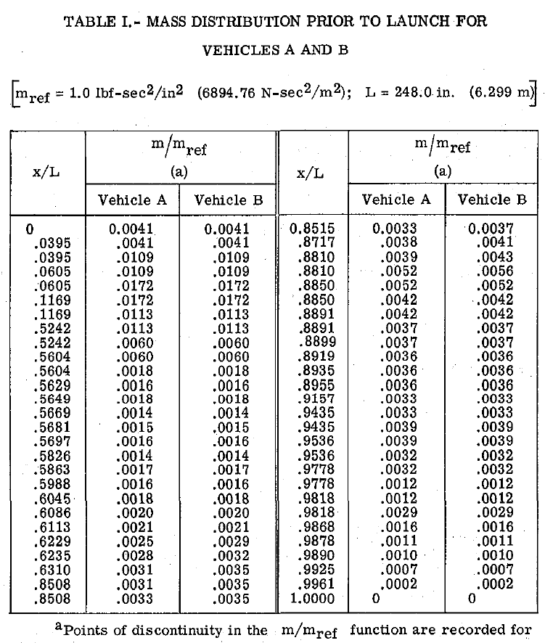
0.525 | 0.104 | 0.104 | 0.5604 | 0.0018 | 0.0018
0.525 | 0.0029 | 0.0029 | 0.5629 | 0.0016 | 0.0014
0.5371 | 0.0029 | 0.0029 | 0.5649 | 0.0018 | 0.0018
0.5371 | 0.3926 | 0.3926 | 0.5669 | 0.0014 | 0.0014
0.5375 | 0.3926 | 0.3926 | 0.5681 | 0.0015 | 0.0015
0.5536 | 0.0659 | 0.0659 | 0.5697 | 0.0016 | 0.0016
0.5649 | 0.0659 | 0.0659 | 0.5826 | 0.0014 | 0.0014
0.5649 | 0.0016 | 0.0016 | 0.5863 | 0.0017 | 0.0017
0.5681 | 0.0016 | 0.0016 | 0.5988 | 0.0016 | 0.0016
0.5681 | 0.5313 | 0.5313 | 0.6045 | 0.0018 | 0.0018
0.5697 | 0.3625 | 0.3625 | 0.6086 | 0.002 | 0.002
0.5697 | 0.2369 | 0.2369 | 0.6113 | 0.0021 | 0.0021
0.5826 | 0.084 | 0.084 | 0.6229 | 0.0025 | 0.0029
0.5846 | 0.076 | 0.076 | 0.6235 | 0.0028 | 0.0032
0.5863 | 0.048 | 0.048 | 0.631 | 0.0031 | 0.0035
0.5988 | 0.0311 | 0.0311 | 0.8508 | 0.0031 | 0.0035
0.6045 | 0.0258 | 0.0258 | 0.8508 | 0.0033 | 0.0035
0.6086 | 0.0218 | 0.0218 | 0.8515 | 0.0033 | 0.0037
0.6113 | 0.029 | 0.029 | 0.8717 | 0.0038 | 0.0041
0.6113 | 0.0302 | 0.0383 | 0.881 | 0.0039 | 0.0043
0.6229 | 0.0157 | 0.0248 | 0.881 | 0.0052 | 0.0056
0.6235 | 0.0152 | 0.0244 | 0.885 | 0.0052 | 0.0052
0.631 | 0.151 | 0.0242 | 0.885 | 0.0042 | 0.0042
0.6333 | 0.015 | 0.0241 | 0.8891 | 0.0042 | 0.0042
0.6352 | 0.0224 | 0.0053 | 0.8891 | 0.0037 | 0.0037
0.6352 | 0.051 | 0.0053 | 0.8899 | 0.0037 | 0.0037
0.6376 | 0.0051 | 0.0364 | 0.8919 | 0.0036 | 0.0036
0.6376 | 0.0273 | 0.0389 | 0.8935 | 0.0036 | 0.0036
0.638 | 0.0298 | 0.0268 | 0.8955 | 0.0036 | 0.0036
0.6398 | 0.177 | 0.0292 | 0.9157 | 0.0033 | 0.0033
0.6414 | 0.0201 | 0.0159 | 0.9435 | 0.0033 | 0.0033
0.6428 | 0.0066 | 0.0159 | 0.9435 | 0.0039 | 0.0039
0.8838 | 0.0066 | 0.0105 | 0.9536 | 0.0039 | 0.0039
0.8838 | 0.0105 | 0.0175 | 0.9536 | 0.0032 | 0.0032
0.885 | 0.175 | 0.0296 | 0.9778 | 0.0032 | 0.0032
0.8873 | 0.0296 | 0.0035 | 0.9778 | 0.0012 | 0.0012
0.8873 | 0.0035 | 0.0035 | 0.9818 | 0.0012 | 0.0012
0.8899 | 0.0035 | 0.0251 | 0.9818 | 0.0029 | 0.0029
0.8899 | 0.0251 | 0.0251 | 0.9868 | 0.0016 | 0.0016
0.8935 | 0.0251 | 0.0011 | 0.9878 | 0.0011 | 0.0011
0.8955 | 0.0004 | 0.0011 | 0.989 | 0.001 | 0.001
0.8955 | 0.0052 | 0.0111 | 0.9925 | 0.0007 | 0.0007
0.9157 | 0.0035 | 0.0106 | 0.9961 | 0.0002 | 0.0002
0.9309 | 0.0042 | 0.0103 | 1 | 0 | 0
0.9326 | 0.0043 | 0.0103
Bending Stiffness
0.9407 | 0.0044 | 0.0101
0.9435 | 0.0046 | 0.009
0.9501 | 0.0047 | 0.0098
0.9501 | 0.0011 | 0.0011
0.9548 | 0.0011 | 0.0011
0.9548 | 0.192 | 0.1924
0.9568 | 0.192 | 0.1924
0.9568 | 0.0279 | 0.0338
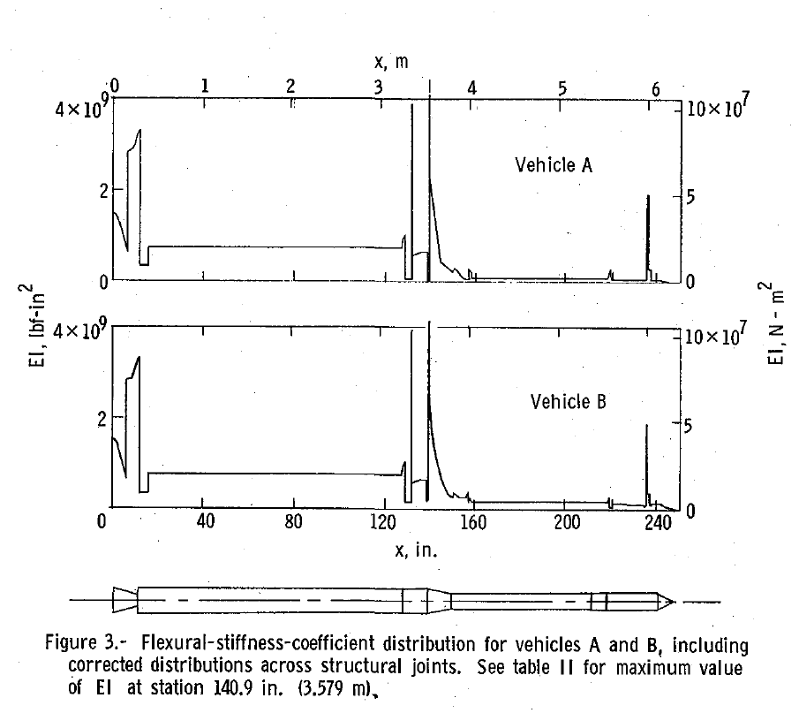
0.9608 | 0.0279 | 0.0338
0.9608 | 0.0052 | 0.0111
0.9632 | 0.0051 | 0.0111
0.9754 | 0.0046 | 0.0111
0.9778 | 0.0045 | 0.0111
0.981 | 0.0033 | 0.0111
0.9818 | 0.0031 | 0.0104
0.9868 | 0.0018 | 0.0044
0.9868 | 0.0026 | 0.0056
0.9878 | 0.002 | 0.0044
0.9878 | 0.0017 | 0.0042
0.989 | 0.0006 | 0.0031
Linear Mass
 | m/mref Vehicle B | m/mref Vehicle B
0 | 0.0041 | 0.0041
0.0395 | 0.0041 | 0.0041
0.0395 | 0.0109 | 0.0109
0.0605 | 0.0109 | 0.0109
0.0605 | 0.0172 | 0.0172
0.1169 | 0.0172 | 0.0172
0.1169 | 0.0113 | 0.0113
0.5242 | 0.0113 | 0.0113
0.5242 | 0.006 | 0.006
0.5604 | 0.006 | 0.006
0.5604 | 0.0018 | 0.0018
0.5629 | 0.0014 | 0.0016
0.5649 | 0.0018 | 0.0018
0.5669 | 0.0014 | 0.0014
0.5681 | 0.0015 | 0.0015
0.5697 | 0.0016 | 0.0016
0.5826 | 0.0014 | 0.0014
0.5863 | 0.0017 | 0.0017
0.5988 | 0.0016 | 0.0016
0.6045 | 0.0018 | 0.0018
0.6086 | 0.002 | 0.002
0.6113 | 0.0021 | 0.0021
0.6229 | 0.0029 | 0.0025
0.6235 | 0.0032 | 0.0028
0.631 | 0.0035 | 0.0031
0.8508 | 0.0035 | 0.0031
0.8508 | 0.0035 | 0.0033
0.8515 | 0.0037 | 0.0033
0.8717 | 0.0041 | 0.0038
0.881 | 0.0043 | 0.0039
0.881 | 0.0056 | 0.0052
0.885 | 0.0052 | 0.0052
0.885 | 0.0042 | 0.0042
0.8891 | 0.0042 | 0.0042
0.8891 | 0.0037 | 0.0037
0.8899 | 0.0037 | 0.0037
0.8919 | 0.0036 | 0.0036
0.8935 | 0.0036 | 0.0036
0.8955 | 0.0036 | 0.0036
0.9157 | 0.0033 | 0.0033
0.9435 | 0.0033 | 0.0033
0.9435 | 0.0039 | 0.0039
0.9536 | 0.0039 | 0.0039
0.9536 | 0.0032 | 0.0032
0.9778 | 0.0032 | 0.0032
0.9778 | 0.0012 | 0.0012
0.9818 | 0.0012 | 0.0012
0.9818 | 0.0029 | 0.0029
0.9868 | 0.0016 | 0.0016
0.9878 | 0.0011 | 0.0011
...
0.9925 | 0.001 | 0.0035
0.9925 | 0.0005 | 0.0013
0.9941 | 0.0004 | 0.0007
0.9961 | 0.0002 | 0.0004
1 | 0 | 0

Vehicle A
 | EI/Eiref Vehicle A |  | m/mref Vehicle A |  | ku/kuref Vehicle A
0 | 0.157 | 0 | 0.0041 | 0.0609 | 0.08
0.03 | 0.0626 | 0.0395 | 0.0041 | 0.5307 | 1
0.03 | 0.2851 | 0.0395 | 0.0109 | 0.5662 | 0.3
0.0472 | 0.312 | 0.0605 | 0.0109 | 0.6361 | 0.3
0.0536 | 0.3346 | 0.0605 | 0.0172 | 0.8891 | 0.3
0.0536 | 0.0338 | 0.1169 | 0.0172 | 0.8941 | 1
0.0681 | 0.0338 | 0.1169 | 0.0113 | 0.9519 | 1
0.0681 | 0.0746 | 0.5242 | 0.0113
0.5181 | 0.0746 | 0.5242 | 0.006
0.5242 | 0.104 | 0.5604 | 0.006
0.525 | 0.104 | 0.5604 | 0.0018
0.525 | 0.0029 | 0.5629 | 0.0016
0.5371 | 0.0029 | 0.5649 | 0.0018
0.5371 | 0.3926 | 0.5669 | 0.0014
0.5375 | 0.3926 | 0.5681 | 0.0015
0.5536 | 0.0659 | 0.5697 | 0.0016
0.5649 | 0.0659 | 0.5826 | 0.0014
0.5649 | 0.0016 | 0.5863 | 0.0017
0.5681 | 0.0016 | 0.5988 | 0.0016
0.5681 | 0.5313 | 0.6045 | 0.0018
0.5697 | 0.3625 | 0.6086 | 0.002
0.5697 | 0.2369 | 0.6113 | 0.0021
0.5826 | 0.084 | 0.6229 | 0.0025
0.5846 | 0.076 | 0.6235 | 0.0028
0.5863 | 0.048 | 0.631 | 0.0031
0.5988 | 0.0311 | 0.8508 | 0.0031
0.6045 | 0.0258 | 0.8508 | 0.0033
0.6086 | 0.0218 | 0.8515 | 0.0033
0.6113 | 0.029 | 0.8717 | 0.0038
0.6113 | 0.0302 | 0.881 | 0.0039
0.6229 | 0.0157 | 0.881 | 0.0052
0.6235 | 0.0152 | 0.885 | 0.0052
0.631 | 0.151 | 0.885 | 0.0042
0.6333 | 0.015 | 0.8891 | 0.0042
0.6352 | 0.0224 | 0.8891 | 0.0037
0.6352 | 0.051 | 0.8899 | 0.0037
0.6376 | 0.0051 | 0.8919 | 0.0036
0.6376 | 0.0273 | 0.8935 | 0.0036
0.638 | 0.0298 | 0.8955 | 0.0036
0.6398 | 0.177 | 0.9157 | 0.0033
0.6414 | 0.0201 | 0.9435 | 0.0033
0.6428 | 0.0066 | 0.9435 | 0.0039
0.8838 | 0.0066 | 0.9536 | 0.0039
0.8838 | 0.0105 | 0.9536 | 0.0032
0.885 | 0.175 | 0.9778 | 0.0032
0.8873 | 0.0296 | 0.9778 | 0.0012
0.8873 | 0.0035 | 0.9818 | 0.0012
0.8899 | 0.0035 | 0.9818 | 0.0029
0.8899 | 0.0251 | 0.9868 | 0.0016
0.8935 | 0.0251 | 0.9878 | 0.0011
...

Vehicle B
 | EI/Eiref Vehicle B |  | m/mref Vehicle B |  | ku/kuref Vehicle B
0 | 0.157 | 0 | 0.0041 | 0.0609 | 0.08
0.03 | 0.0626 | 0.0395 | 0.0041 | 0.5307 | 1
0.03 | 0.2851 | 0.0395 | 0.0109 | 0.5662 | 0.3
0.0472 | 0.312 | 0.0605 | 0.0109 | 0.6361 | 0.3
0.0536 | 0.3346 | 0.0605 | 0.0172 | 0.8891 | 0.3
0.0536 | 0.0338 | 0.1169 | 0.0172 | 0.8941 | 0.4
0.0681 | 0.0338 | 0.1169 | 0.0113 | 0.9519 | 1
0.0681 | 0.0746 | 0.5242 | 0.0113
0.5181 | 0.0746 | 0.5242 | 0.006
0.5242 | 0.104 | 0.5604 | 0.006
0.525 | 0.104 | 0.5604 | 0.0018
0.525 | 0.0029 | 0.5629 | 0.0014
0.5371 | 0.0029 | 0.5649 | 0.0018
0.5371 | 0.3926 | 0.5669 | 0.0014
0.5375 | 0.3926 | 0.5681 | 0.0015
0.5536 | 0.0659 | 0.5697 | 0.0016
0.5649 | 0.0659 | 0.5826 | 0.0014
0.5649 | 0.0016 | 0.5863 | 0.0017
0.5681 | 0.0016 | 0.5988 | 0.0016
0.5681 | 0.5313 | 0.6045 | 0.0018
0.5697 | 0.3625 | 0.6086 | 0.002
0.5697 | 0.2369 | 0.6113 | 0.0021
0.5826 | 0.084 | 0.6229 | 0.0029
0.5846 | 0.076 | 0.6235 | 0.0032
0.5863 | 0.048 | 0.631 | 0.0035
0.5988 | 0.0311 | 0.8508 | 0.0035
0.6045 | 0.0258 | 0.8508 | 0.0035
0.6086 | 0.0218 | 0.8515 | 0.0037
0.6113 | 0.029 | 0.8717 | 0.0041
0.6113 | 0.0383 | 0.881 | 0.0043
0.6229 | 0.0248 | 0.881 | 0.0056
0.6235 | 0.0244 | 0.885 | 0.0052
0.631 | 0.0242 | 0.885 | 0.0042
0.6333 | 0.0241 | 0.8891 | 0.0042
0.6352 | 0.0053 | 0.8891 | 0.0037
0.6352 | 0.0053 | 0.8899 | 0.0037
0.6376 | 0.0364 | 0.8919 | 0.0036
0.6376 | 0.0389 | 0.8935 | 0.0036
0.638 | 0.0268 | 0.8955 | 0.0036
0.6398 | 0.0292 | 0.9157 | 0.0033
0.6414 | 0.0159 | 0.9435 | 0.0033
0.6428 | 0.0159 | 0.9435 | 0.0039
0.8838 | 0.0105 | 0.9536 | 0.0039
0.8838 | 0.0175 | 0.9536 | 0.0032
0.885 | 0.0296 | 0.9778 | 0.0032
0.8873 | 0.0035 | 0.9778 | 0.0012
0.8873 | 0.0035 | 0.9818 | 0.0012
0.8899 | 0.0251 | 0.9818 | 0.0029
0.8899 | 0.0251 | 0.9868 | 0.0016
0.8935 | 0.0011 | 0.9878 | 0.0011
...

